1. Title Page
Customer Profiling Report

Project Name: Customer Profiles for Instacart
Date: 28.01.22
Analyst Name: Sarah Epping

Contents:
Population Flow
Consistency checks
Wrangling steps
Column derivations
Visualizations
Recommendations

2. Population Flow
Title page

Population flow

Exclusion flag
Condition: max_order <
Obervations to be removed: 6269
Final total count of order_products_all: 32398590

Orders_products_combined
Orders_products_merged
Orders_products_all

Total:3214874, 12
Total:3214874,8
Total:3214874, 26 (new variables added)

1.) The grey boxes in the first row of the population flow represent the original data sets as they were when you downloaded them. In the Total fields you need to add the count of the rows when you imported the data set into Jupyter.
2.) The second row of boxes (coloured) represents the data sets after you manipulated them, e.g., removed missing values and duplicates. In the Total fields you need to add the count of the rows after conducting these operations. This offers a visual oveview of how the data flows throughout the data consistency checks.
3.) The third row, where also the arrows are coloured, represents the merges you performed between the datasets. In the Total fields you need to add the count of the rows in the merged datasets, so that you end up with the final dataset (in the red box). Keep in mind the final dataset should be without exclusions (based on the exclusion flag).

3. Consistency checks
 |  |  |  | Title page
Consistency checks

Dataset | Missing values | Missing values treatment | Duplicates
orders | 206209 | removed from data set | NA
products | product name - 16 missing | entire column dropped because its not necessary for this analysis | NA
orders_products_prior | NA | add_to cart_order and reordered were dropped | NA
customers | first names 11259 | this confidential info would be removed in the final dataset | NA

4. Wrangling steps
 |  |  |  | Title page
Wrangling steps

Columns dropped | Columns renamed | Columns' type changed | Comment/Reason
Order_Day_Of_Week','price_range_loc','days_since_prior_order','product_name','_merge','busiest_day','busiest_days','busiest_period','max_order','loyalty_flag','Frequency_label','Surname','Frequency_of_purchase','date_joined','First Name' |  |  | In the final merged data set these columns were saved in a new data frame so as to make analysis time quicker.
 | order_day_of_week |  | This column was ambiguously named before. For clarity the name was changed.

5. Column derivations
 |  |  |  | Title page

Column derivations and aggregations

In this tab you should add tables below that the frequences of flags/label variables that you produced after deriving them. NB: don't do this for continuous variables, only for flags.
Dataset | New column | Column/s it was derived from | Conditions
df_14 | region | from states value | based on the region of a state, it was set to midwest, south, northwest, or northeast
df_14 | parent | if a person had dependents it was done here | loc number of dependents > 1
df_14 | Counts | based on a count function of the number of times a customer id appeared in the data set. If if was less that 5 times then it was discluded as per stakeholder wishes. | count of customer id appearance to create a count for the next derivitive
df_14 | include/exclude | This placeholder deritive was removed right away upon the counts function above. Anyone with less than 5 orders was removed from the later data set | if counts < 5 = exclude else include
df_12 | frequency_label | a frequency loc function was used to determine how often a customer makes purchases

6. Visualizations
Title page

Visualisations

In this tab you should include all the visualtions from Exercises 4.9 and 4.10, alongside the questions from the project brief that they answer. Include any commentary on the relationship between different variables.

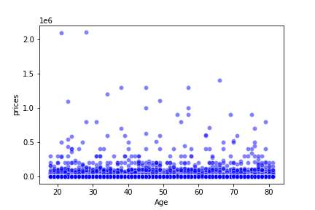
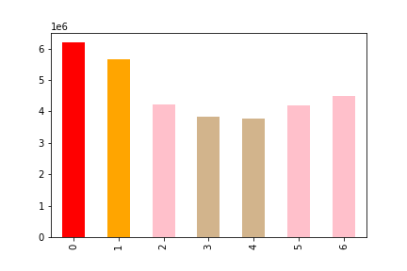
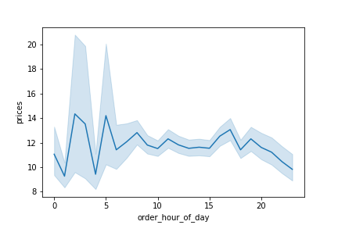

GENERAL SPENDING HABITS:
1. Age versus spending habits
2. Day of the Week spending habits
3. Hour of the Day Spending habits

FEMALE VS. MALE HABITS:
who spends more? Men or women as desagregated by region.

PARENT VS NON-PARENT
who spends more?
Parents vs. non-parents and the hours of day that they buy.
(Insight: much more interesting to parents vs. non)

Male vs. Female - Regional Spending
Female | 49606796.6
Male | 46887068.7
Female | 20499683.7
Male | 25412669.6
Female | 18355819.2
Male | 17789260.5
Female | 66347558.9
Male | 65249176
Female | 27374130
Male | 30343874.6

Parent Vs. Non-Parent Hourly Spending
 | non-parent | prices | parent | prices
 | 0 | 582640.3 | 0 | 1698019.7
 | 1 | 279942.3 | 1 | 876109.4
 | 2 | 495815.8 | 2 | 523773.8
 | 3 | 161656.4 | 3 | 518405.8
 | 4 | 144595.5 | 4 | 506659.7
 | 5 | 276529.4 | 5 | 835110.5
 | 6 | 1081808.5 | 6 | 2339812.3
 | 7 | 3003356.7 | 7 | 7956840.7
 | 8 | 5646721.9 | 8 | 15788140.9
 | 9 | 7715863.3 | 9 | 21110634.3
 | 10 | 7916529.2 | 10 | 24947071.2
 | 11 | 8606746.2 | 11 | 24657589.8
 | 12 | 7465799.3 | 12 | 23810793.3
 | 13 | 7725623.6 | 13 | 22812539.7
 | 14 | 7812264.5 | 14 | 23752762.4
 | 15 | 8093640.7 | 15 | 24303408.1
 | 16 | 7704597.4 | 16 | 24085602.9
 | 17 | 6967353 | 17 | 19667055.4
 | 18 | 4926350 | 18 | 14430432.4
 | 19 | 4145771.5 | 19 | 11623353.1
 | 20 | 2688193.4 | 20 | 8779697.7
 | 21 | 1960950.4 | 21 | 6977724.9
 | 22 | 1664003.3 | 22 | 4700988.3
 | 23 | 1037945.3 | 23 | 3264234.5
Departmental Spending
 | #REF! | non-parent | parent
 | 1 | 557050 | 1677308
 |  | 9171 | 27108
 |  | 294379 | 877899
 |  | 2375183 | 7102943
 |  | 39068 | 114479
 |  | 67705 | 201522
 |  | 674064 | 2012580
 |  | 24581 | 73116
 |  | 215250 | 651331
 |  | 8275 | 26292
 |  | 111963 | 335433
 |  | 174061 | 534758
 |  | 466653 | 1408337
 |  | 174548 | 528389
 |  | 264813 | 803140
 |  | 1349144 | 4048860
 |  | 180674 | 557584
 |  | 106482 | 317295
 |  | 720658 | 2166244
 |  | 265119 | 785991
 |  | 17088 | 52052

7. Recommendations
 |  | Title page

Recommendations

In this tab you should include any recommendations you would made to Instcart in terms of their marketing strategy based on the questions posed in the brief. Every key question has been covered in the Tasks of the Exercises - here you need to add an item - a visualisation or table/crosstable that is showing the answer in the data, acompanied by a comment from you. Please, list the questions below and add the answer underneath.

Question | Answer
Key Question 1 | Does Age Play A Role?
Key Question 2 | Does Gender Play A Role?
Key Question 3 | What Hours of The Day Are Most Popular?
Key Question 4 | What Regions Are the Most Popular?
Key Question 5 | Do Parents and Non-Parents buy at different hours?
Key Question 6 | Are Parents or Non-Parents Bigger Spenders?
Key Question 7 | What Department are our biggest spenders located in?

